Connectors
Order of Operation |  | Grbl Esp32 | Torch Esp32 | Jumper | Active |  | Connectors | pins | Signal | Jumper | GBRL | TCH | Module1 |  |  | input | Gpio
 |  |  |  |  |  |  |  |  |  |  |  |  |  | Xlim |  | J1 1 | 33
Start |  |  |  |  |  |  | THC Display |  |  |  |  |  |  | Ylim |  | J1 4 | 32
Fast move G0 X Y to start cut |  |  |  |  |  |  |  | 1 | 3.3v |  |  |  |  | Zlim |  | J2 1 | 35
Move Z to probe soft limit switch | Alimit | 34 |  |  | Low | Module 1 RJ45 pin7 |  | 2 | gnd |  |  |  |  | Alim |  | J24 | 34
Move Up .05" |  |  |  |  |  |  |  | 3 | Rxd |  |  |  |  | Gnd |  | J1 2,5
Fire Laser Which Hands Z control to THC Mcode | Handover | 26 | 12 |  | High |  |  | 4 | Txd |  |  |  |  | Gnd |  | J2 2,5
Send Plasma Trigger | TorchTrigger |  | 32 |  | High | Module3 J1 pin1 &2 | Hold | 5 | Climit | J4 - 1 | GIO36 | TIO33 |  | 15v |  | J1 3,6
G4 Dwell or GRBL hold pin pulse low pulse from Torch to Grbl | GRBL hold | Climit 36 | 33 | J1-1 to J4-1 | Low pulse |  | Go | 6 | Blimit | J4 - 2 | Gio39 | TIO325 |  | 15v |  | J2 3,6
Send Z Enable from THC |  |  | 19 |  | High | Servo Z3 RJ45 pin1 |  | 7 |  |  |  | TIO16 | Module2 |  |  | input | Gpio
When THC receive ToReady | TorchReady |  | 14 |  | High |  |  | 8 | gnd |  |  |  |  | Reset | Reset | J1 1 | 2
Pulse low to Grbl to Go | Pulse Go to GRBL | B Limit 39 | 25 | J1-2 to J4-2 | Low pulse |  |  |  |  |  | Hypertherm |  |  |  | Start | J1 4 | 25
Gcode X Y |  |  |  |  |  |  | Torch Module#3 RJ45 | 1 | Relay Com |  | 3 |  | Probe | Blim | Probe | J2 1 | 39
M code turn off laser Z control back to GRBL |  |  |  |  |  |  |  | 2 | Relay NO |  | 4 |  |  | Clim | Hold | J24 | 36
G4 Dwell |  |  |  |  |  |  |  | 3 | Plasma V- |  | 5 |  |  | Gnd |  | J1 2,5
Trigger off |  |  | 32 |  | Low |  |  | 4 | Plasma V+ |  | 6 |  |  | Gnd |  | J2 2,5
Z enable Off |  |  | 19 |  | Low |  |  | 5 |  |  |  |  |  | 15v |  | J1 3,6
Z up 1" |  |  |  |  |  |  |  | 6 |  |  |  |  |  | 15v |  | J2 3,6
Fast move G0 X Y to start cut |  |  |  |  |  |  |  | 7 | 15v |  | 14
Repeat line 8 to 21 |  |  |  |  |  |  | Go | 8 | To Ready |  | 15
 |  |  |  |  |  |  |  |  |  |  |  |  | Module4 |  |  | input | Gpio
 |  |  |  |  |  |  | Header 1x12 | 1 | gnd |  |  |  |  |  |  | J1 1 | 14
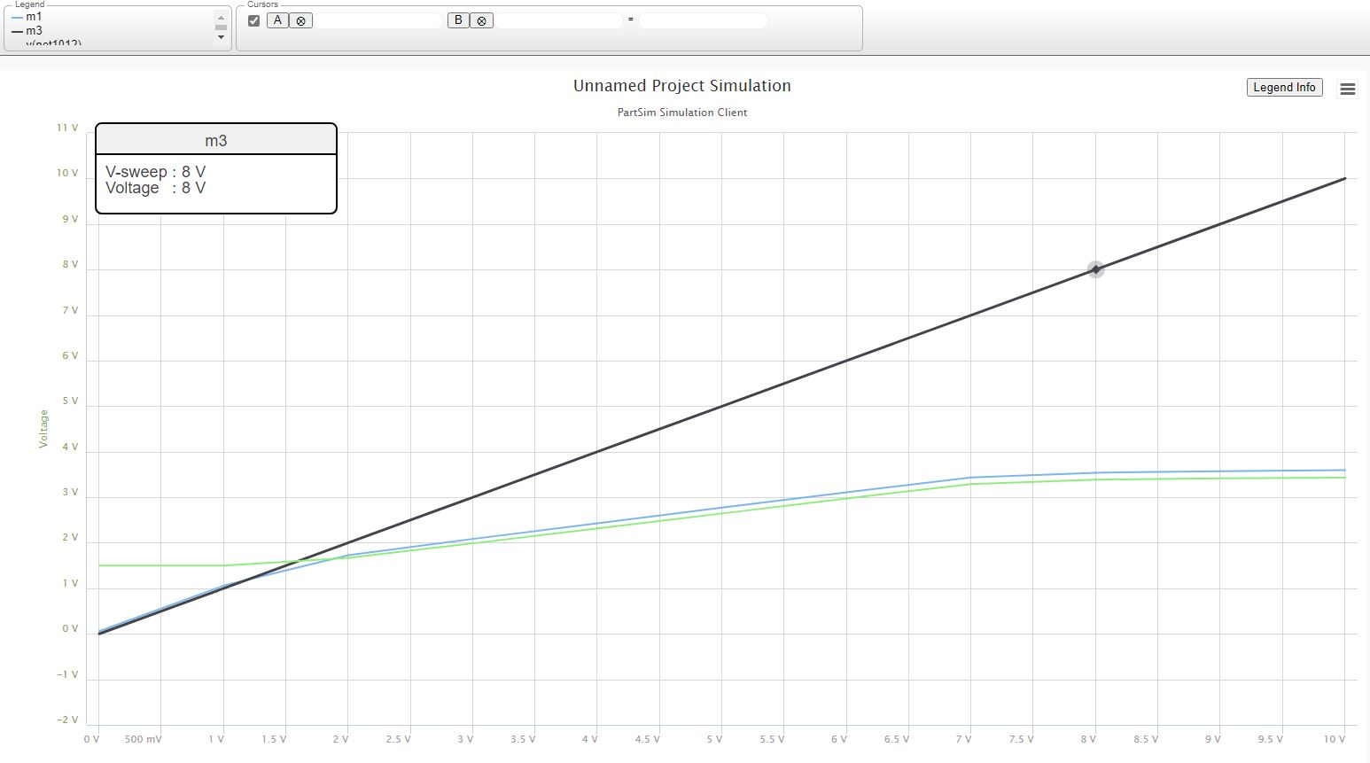
 |  |  |  |  |  |  |  | 2 | 15v |  |  |  |  |  |  | J1 4 | 13
 |  |  |  |  |  |  |  | 3 | Vcc |  |  |  |  |  |  | J2 1 | 15
 |  |  |  |  |  |  |  | 4 | Handover 9 |  | GIO26 | TIO12 |  |  |  | J24 | 12
 |  |  |  |  |  |  |  | 5 |  |  | GIO04 |  |  | Gnd |  | J1 2,5
 |  |  |  |  |  |  |  | 6 |  |  | GIO16 |  |  | Gnd |  | J2 2,5
 |  |  |  |  |  |  | Go | 7 |  |  | GIO27 |  |  | 15v |  | J1 3,6
 |  |  |  |  |  |  |  | 8 | Ready |  |  | TIO14 |  | 15v |  | J2 3,6
 |  |  |  |  |  |  |  | 9 | Handover 4 |  | GIO26 | TIO12
 |  |  |  |  |  |  |  | 10 | Plasma V |  |  | TIO36 | Module5 |  |  | input | Gpio
 |  |  |  |  |  |  |  | 11 | Plasma Trig |  |  | TIO32 |  |  |  | J1 1 | 24
 |  |  |  |  |  |  |  | 12 | gnd |  |  |  |  |  |  | J1 4 | 26
 |  |  |  |  |  |  |  |  |  |  |  |  |  |  |  | J2 1 | 25
 |  |  |  |  |  |  |  |  |  |  |  |  |  |  |  | J24 | 27
 |  |  |  |  |  |  | Servo RJ45 | 1 | 15v |  |  |  |  | Gnd |  | J1 2,5
 |  |  |  |  |  |  |  | 2 | Enable |  |  |  |  | Gnd |  | J2 2,5
 |  |  |  |  |  |  |  | 3 | 15v |  |  |  |  | 15v |  | J1 3,6
 |  |  |  |  |  |  |  | 4 | Step |  |  |  |  | 15v |  | J2 3,6
 |  |  |  |  |  |  |  | 5 | 15v
 |  |  |  |  |  |  |  | 6 | Dir |  |  |  |  |  | Wire |  | Module | Terminal | GPIO
 |  |  |  |  |  |  |  | 7 | 15v |  |  |  | Key inputs | M0 | top | bn/w
 |  |  |  |  |  |  |  | 8 | CS |  |  |  |  |  | gnd | bn
 |  |  |  |  |  |  |  | 9 | Shield |  |  |  |  | M1 | top | grn
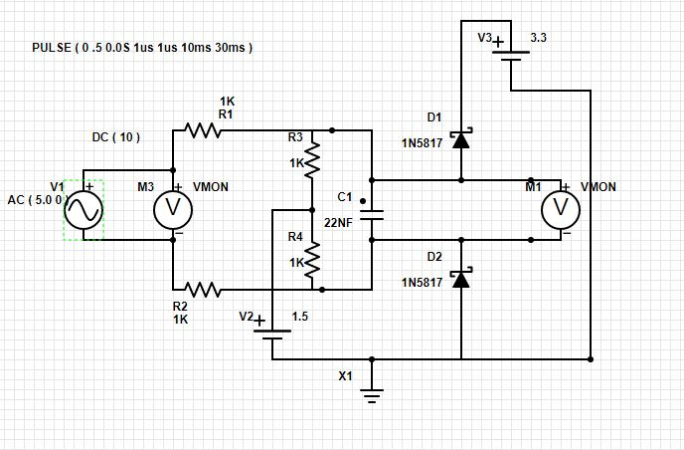
 |  |  |  |  |  |  |  | 10 | Shield |  |  |  |  |  | gnd | bn
 |  |  |  |  |  |  |  |  |  |  |  |  |  | M2 | top | g/w
 |  |  |  |  |  |  |  |  |  |  |  |  |  |  | gnd | bn
 |  |  |  |  |  |  | Module2 JTAG | 1 | 3.3v | VCC |  |  |  | M3 | top | org
 |  |  |  |  |  |  |  | 2 | TMS | GPIO14 |  |  |  |  | gnd | bn
 |  |  |  |  |  |  |  | 3 | GND | J10-1 |  |  | Hold | P | Blk | b/w | 2 | 36 | 36
 |  |  |  |  |  |  |  | 4 | TCK | GPIO13 |  |  |  |  | gnd | bn
 |  |  |  |  |  |  |  | 5 | GND | J10-1 |  |  | Start | S | blk | grn | 2 | 25 | 25
 |  |  |  |  |  |  |  | 6 | TDO | GPIO15 |  |  |  |  | gnd | bn
 |  |  |  |  |  |  |  | 8 | TDI | GPIO12 |  |  | Reset | R | blk | g/w | 2 | J1-1 | 2
 |  |  |  |  |  |  |  | 9 | GND | J10-1 |  |  |  |  | gnd | bn
 |  |  |  |  |  |  |  |  |  |  |  |  | Saftey Door | Caps | blk | b/w | 4 | J1-1 | 14
 |  |  |  |  |  |  |  |  |  |  |  |  |  |  | gnd | bl | 4 | J!-2
 |  |  |  |  |  |  | THC ESP32 Module | 1 |  |  |  | Gnd |  | Num | blk | o/w
 |  |  |  |  |  |  | A/D | 2 |  |  |  | Vdrive |  |  | gnd | bl
 |  |  |  |  |  |  |  | 3 |  |  |  | VCC | Reset THC | top | top | o/w
 |  |  |  |  |  |  |  | 4 | CLIM | J1-J4 Juper |  | TIO33 |  |  | gnd | bl
25 |  |  |  |  |  |  |  | 5 | BLIM | J1-J4 Juper |  | TIO25 | Reset FluidNC | Bot | top | b/w
 |  |  |  |  |  |  |  | 6 | ALIM | J1-J4 Juper |  | TIO26 |  |  | gnd | bl
 |  |  |  |  |  |  |  | 7 | ZLIM | J1-J4 Juper |  | TIO27
 |  |  |  |  |  |  |  | 8 | PLASMA VOLTAGE |  |  | TIO36
 |  |  |  |  |  |  |  | 9 | 12S |  |  | TI017
 |  |  |  |  |  |  |  | 10 | I2S SDA |  |  | TIO21
 |  |  |  |  |  |  |  | 11 | I2S SCL |  |  | TIO22
 |  |  |  |  |  |  |  | 12 |  |  |  | GND

Torch Module
input | output
0.5 | 0.559
1 | 1.059
1.5 | 1.51
2 | 1.73
2.5 | 1.91
3 | 2.09
3.5 | 2.26
4 | 2.425
4.5 | 2.6

